Dashboard
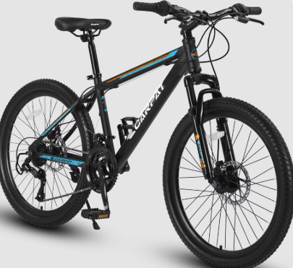
BIKE SALES DASHBOARD

Average Income Per Purchase
 | No | Yes
Female | 53,440 | 55,774
Male | 56,208 | 60,124
Bike Purchase By Age
 | No | Yes
Adolescent | 71 | 39
Middle Age | 318 | 383
Old | 130 | 59

Customer Commute
 | No | Yes
0-1 Miles | 166 | 200
1-2 Miles | 92 | 77
2-5 Miles | 67 | 95
5-10 Miles | 116 | 76
More than 10 Miles | 78 | 33
Purchase By Occupation
 | Total
Clerical | 177
Management | 173
Manual | 119
Professional | 276
Skilled Manual | 255

Pivot Table
Average Income Per Purchase
Average of Income | Column Labels
Row Labels | No | Yes | Grand Total
Female | 53,440 | 55,774 | 54,581
Male | 56,208 | 60,124 | 58,063
Grand Total | 54,875 | 57,963 | 56,360

Customer Commute
Count of Purchased Bike | Column Labels
Row Labels | No | Yes | Grand Total
0-1 Miles | 166 | 200 | 366
1-2 Miles | 92 | 77 | 169
2-5 Miles | 67 | 95 | 162
5-10 Miles | 116 | 76 | 192
More than 10 Miles | 78 | 33 | 111
Grand Total | 519 | 481 | 1000

Bike Purchase By Age
Count of Purchased Bike | Column Labels
Row Labels | No | Yes | Grand Total
Adolescent | 71 | 39 | 110
Middle Age | 318 | 383 | 701
Old | 130 | 59 | 189
Grand Total | 519 | 481 | 1000

Purchase By Occupation
Row Labels | Count of Purchased Bike
Clerical | 177
Management | 173
Manual | 119
Professional | 276
Skilled Manual | 255
Grand Total | 1000

